c2_R5
Sweep | Event Time (s) | Threshold (V) | Threshold Time (s) | Peak (V) | Peak Time (s) | AHP (V) | AHP Time (s) | Absolute Event Time (s) | Interevent Interval (s) | Max Slope (V/s) | Min Slope (V/s) | AP Duration @ 50% (s) | Threshold (mV) | Threshold Time (ms) | Peak (mV) | Peak Time (ms) | AHP m(V) | AHP Time (ms) | Interevent Interval (s) | Max Slope (V/s) | Min Slope (V/s) | Max/Min dV/dt | AP Duration @ 50% (s) | Number of Events | Time | First Event |  | Last Event |  | Copyable |  |  | dV/dt Graph
1 | 0.0055 | -0.041412354 | -0.00044999999 | 0.0041809082 | 1.00E-04 | -0.054260254 | 0.00115 | 0.027512999 |  | 183.10547 | -140.68604 | 0.00040307862 | -40.631169305 | -0.49610282722 | 3.4629859744 | 0.10472636641 | -53.209270032 | 1.5937396446 | 8.294149476 | 153.54441179 | -117.95423517 | 1.3017286879 | 0.47186900129 | 1206 | X | Y (V) | Y (mV) | Y (V) | Y (mV) |  |  |  | ReviewAP | diffAP
1 | 0.0126 | -0.040405273 | -0.00044999999 | 0.0039367676 | 1.00E-04 | -0.054260254 | 0.00135 | 0.034612998 | 0.0070999991 | 177.91748 | -138.24463 | 0.00039625671 |  |  |  |  |  |  |  |  |  |  |  |  | 0 | -0.04438645 | -44.38645 | -0.044555664 | -44.555664 | 0 | -44.38645 | -44.555664 | -0.04438645 | 3.4500659
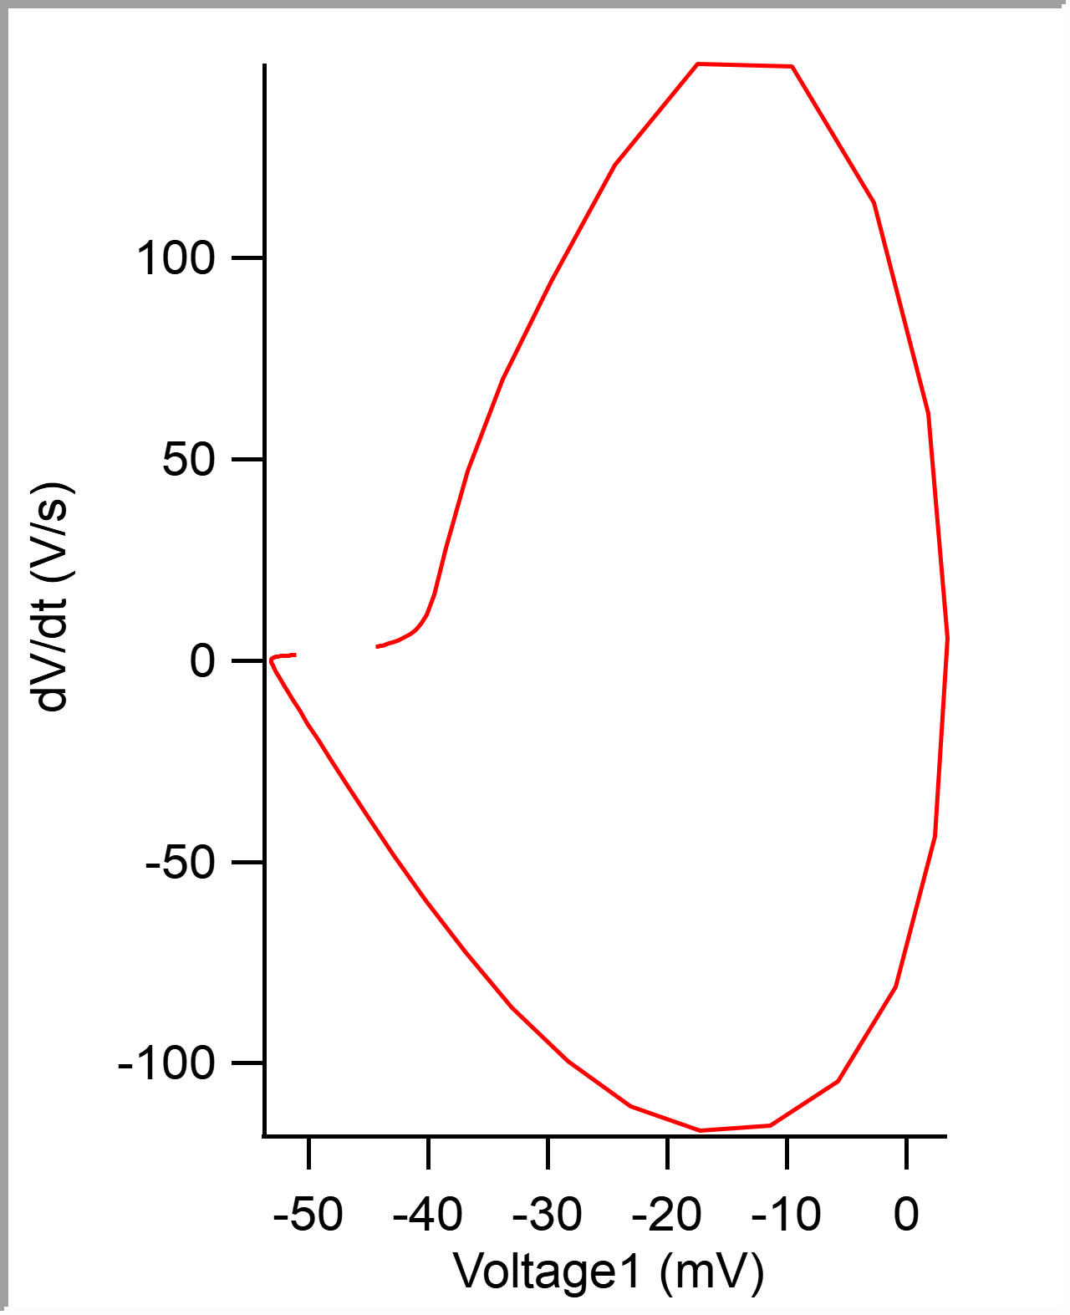
1 | 0.019649999 | -0.040985107 | -0.00044999999 | 0.0041809082 | 1.00E-04 | -0.054382324 | 0.0013 | 0.041662998 | 0.0070500001 | 177.6123 | -141.60156 | 0.00039968928 |  |  |  |  |  |  |  |  |  |  |  |  | 5.00E-05 | -0.044213947 | -44.213947 | -0.044372559 | -44.372559 | 0.00005 | -44.213947 | -44.372559 | -0.044213947 | 3.5097823
1 | 0.02695 | -0.040802002 | -0.00044999999 | 0.0038452148 | 5.00E-05 | -0.054199219 | 0.00125 | 0.048962999 | 0.0073000006 | 178.83301 | -140.38086 | 0.00040071408 |  |  |  |  |  |  |  |  |  |  |  |  | 0.0001 | -0.044035472 | -44.035472 | -0.044158936 | -44.158936 | 0.0001 | -44.035472 | -44.158936 | -0.044035472 | 3.6183372
1 | 0.034249999 | -0.040985107 | -0.00044999999 | 0.0038757324 | 1.00E-04 | -0.054473877 | 0.00125 | 0.056263 | 0.0073000006 | 178.83301 | -141.29639 | 0.00039967828 |  |  |  |  |  |  |  |  |  |  |  |  | 0.00015 | -0.043852113 | -43.852113 | -0.043914795 | -43.914795 | 0.00015 | -43.852113 | -43.914795 | -0.043852113 | 3.7478657
1 | 0.041549999 | -0.041290283 | -0.00044999999 | 0.0040893555 | 1.00E-04 | -0.054443359 | 0.0013 | 0.063562997 | 0.0072999969 | 182.80029 | -142.51709 | 0.00040215443 |  |  |  |  |  |  |  |  |  |  |  |  | 0.0002 | -0.043660685 | -43.660685 | -0.043762207 | -43.762207 | 0.0002 | -43.660685 | -43.762207 | -0.043660685 | 3.9070473
1 | 0.04865 | -0.040527344 | -0.00044999999 | 0.004119873 | 1.00E-04 | -0.054321289 | 0.0013 | 0.070662998 | 0.007100001 | 180.96924 | -141.90674 | 0.00039766874 |  |  |  |  |  |  |  |  |  |  |  |  | 0.00025 | -0.043461408 | -43.461408 | -0.043548584 | -43.548584 | 0.00025 | -43.461408 | -43.548584 | -0.043461408 | 4.0715561
1 | 0.055950001 | -0.040222168 | -0.00044999999 | 0.0039672852 | 1.00E-04 | -0.054260254 | 0.00125 | 0.077963002 | 0.0073000044 | 178.22266 | -138.85498 | 0.00040005421 |  |  |  |  |  |  |  |  |  |  |  |  | 0.0003 | -0.04325353 | -43.25353 | -0.043365479 | -43.365479 | 0.0003 | -43.25353 | -43.365479 | -0.04325353 | 4.2410941
1 | 0.063150004 | -0.040924072 | -0.00044999999 | 0.0039672852 | 1.00E-04 | -0.054534912 | 0.00135 | 0.085163005 | 0.0072000027 | 179.74854 | -140.07568 | 0.00040382677 |  |  |  |  |  |  |  |  |  |  |  |  | 0.00035 | -0.043037299 | -43.037299 | -0.043121338 | -43.121338 | 0.00035 | -43.037299 | -43.121338 | -0.043037299 | 4.4442711
1 | 0.070349999 | -0.041351318 | -0.00039999999 | 0.0043945313 | 1.00E-04 | -0.054473877 | 0.0013 | 0.092363 | 0.0071999952 | 187.68311 | -142.82227 | 0.00039819497 |  |  |  |  |  |  |  |  |  |  |  |  | 0.0004 | -0.042809103 | -42.809103 | -0.042938232 | -42.938232 | 0.0004 | -42.809103 | -42.938232 | -0.042809103 | 4.6930089
1 | 0.077550001 | -0.041809082 | -0.00044999999 | 0.0045471191 | 1.00E-04 | -0.054595947 | 0.00135 | 0.099563003 | 0.0072000027 | 187.37793 | -144.65332 | 0.00039963602 |  |  |  |  |  |  |  |  |  |  |  |  | 0.00045 | -0.042567998 | -42.567998 | -0.042755127 | -42.755127 | 0.00045 | -42.567998 | -42.755127 | -0.042567998 | 4.971139
1 | 0.08495 | -0.04119873 | -0.00039999999 | 0.0040893555 | 1.00E-04 | -0.054443359 | 0.00135 | 0.106963 | 0.0073999986 | 183.71582 | -144.04297 | 0.00039750015 |  |  |  |  |  |  |  |  |  |  |  |  | 0.0005 | -0.042311989 | -42.311989 | -0.042510986 | -42.510986 | 0.0005 | -42.311989 | -42.510986 | -0.042311989 | 5.2945318
1 | 0.092299998 | -0.041473389 | -0.00044999999 | 0.0040588379 | 1.00E-04 | -0.054534912 | 0.0013 | 0.114313 | 0.0073499978 | 181.57959 | -143.73779 | 0.00040162646 |  |  |  |  |  |  |  |  |  |  |  |  | 0.00055 | -0.042038545 | -42.038545 | -0.042205811 | -42.205811 | 0.00055 | -42.038545 | -42.205811 | -0.042038545 | 5.6879969
1 | 0.099600002 | -0.041107178 | -0.00044999999 | 0.0043029785 | 1.00E-04 | -0.054016113 | 0.0013 | 0.121613 | 0.0073000044 | 183.41064 | -140.99121 | 0.00039982866 |  |  |  |  |  |  |  |  |  |  |  |  | 0.0006 | -0.041743189 | -41.743189 | -0.04196167 | -41.96167 | 0.0006 | -41.743189 | -41.96167 | -0.041743189 | 6.1867757
1 | 0.10685 | -0.041137695 | -0.00044999999 | 0.0040283203 | 1.00E-04 | -0.054229736 | 0.00125 | 0.12886299 | 0.0072499886 | 179.74854 | -140.38086 | 0.00039946608 |  |  |  |  |  |  |  |  |  |  |  |  | 0.00065 | -0.041419867 | -41.419867 | -0.041656494 | -41.656494 | 0.00065 | -41.419867 | -41.656494 | -0.041419867 | 6.8249555
1 | 0.1143 | -0.041046143 | -0.00044999999 | 0.0043029785 | 1.00E-04 | -0.054595947 | 0.0013 | 0.13631299 | 0.0074499995 | 182.49512 | -141.29639 | 0.00039961623 |  |  |  |  |  |  |  |  |  |  |  |  | 0.0007 | -0.041060694 | -41.060694 | -0.041320801 | -41.320801 | 0.0007 | -41.060694 | -41.320801 | -0.041060694 | 7.6984615
1 | 0.1216 | -0.041717529 | -0.00044999999 | 0.0046691895 | 1.00E-04 | -0.05456543 | 0.00135 | 0.143613 | 0.0073000044 | 186.4624 | -144.34814 | 0.00040055905 |  |  |  |  |  |  |  |  |  |  |  |  | 0.00075 | -0.040650021 | -40.650021 | -0.04095459 | -40.95459 | 0.00075 | -40.650021 | -40.95459 | -0.040650021 | 9.0181456
1 | 0.1292 | -0.04095459 | -0.00044999999 | 0.0041503906 | 1.00E-04 | -0.054626465 | 0.0013 | 0.15121299 | 0.0075999945 | 180.96924 | -140.38086 | 0.00040083125 |  |  |  |  |  |  |  |  |  |  |  |  | 0.0008 | -0.040158879 | -40.158879 | -0.040527344 | -40.527344 | 0.0008 | -40.158879 | -40.527344 | -0.040158879 | 11.333749
1 | 0.1366 | -0.04119873 | -0.00039999999 | 0.0042724609 | 1.00E-04 | -0.054504395 | 0.0013 | 0.158613 | 0.0074000061 | 185.2417 | -142.21191 | 0.00039886485 |  |  |  |  |  |  |  |  |  |  |  |  | 0.00085 | -0.039516646 | -39.516646 | -0.039886475 | -39.886475 | 0.00085 | -39.516646 | -39.886475 | -0.039516646 | 16.428865
1 | 0.1441 | -0.041229248 | -0.00044999999 | 0.0042419434 | 1.00E-04 | -0.054626465 | 0.0014 | 0.16611299 | 0.0074999928 | 177.6123 | -142.51709 | 0.00040185204 |  |  |  |  |  |  |  |  |  |  |  |  | 0.0009 | -0.038515992 | -38.515992 | -0.038726807 | -38.726807 | 0.0009 | -38.515992 | -38.726807 | -0.038515992 | 27.906633
1 | 0.15095 | -0.041748047 | -0.00044999999 | 0.004486084 | 1.00E-04 | -0.054351807 | 0.00125 | 0.17296299 | 0.0068500042 | 185.54688 | -142.21191 | 0.00039951806 |  |  |  |  |  |  |  |  |  |  |  |  | 0.00095 | -0.036725983 | -36.725983 | -0.036560059 | -36.560059 | 0.00095 | -36.725983 | -36.560059 | -0.036725983 | 47.135502
1 | 0.15790001 | -0.041046143 | -0.00039999999 | 0.0043029785 | 1.00E-04 | -0.054260254 | 0.0013 | 0.179913 | 0.0069500059 | 182.18994 | -141.90674 | 0.00039977796 |  |  |  |  |  |  |  |  |  |  |  |  | 0.001 | -0.033802442 | -33.802442 | -0.033172607 | -33.172607 | 0.001 | -33.802442 | -33.172607 | -0.033802442 | 69.941956
1 | 0.16509999 | -0.04095459 | -0.00044999999 | 0.004119873 | 1.00E-04 | -0.054290771 | 0.0013 | 0.18711299 | 0.0071999878 | 177.91748 | -138.24463 | 0.00040315973 |  |  |  |  |  |  |  |  |  |  |  |  | 0.00105 | -0.029731788 | -29.731788 | -0.029083252 | -29.083252 | 0.00105 | -29.731788 | -29.083252 | -0.029731788 | 94.167221
1 | 0.1724 | -0.040985107 | -0.00039999999 | 0.0039672852 | 1.00E-04 | -0.054351807 | 0.0014 | 0.19441299 | 0.0073000044 | 180.05371 | -138.24463 | 0.00040687018 |  |  |  |  |  |  |  |  |  |  |  |  | 0.0011 | -0.02438572 | -24.38572 | -0.023864746 | -23.864746 | 0.0011 | -24.38572 | -23.864746 | -0.02438572 | 122.9322
1 | 0.17990001 | -0.040802002 | -0.00044999999 | 0.0043029785 | 1.00E-04 | -0.054290771 | 0.00125 | 0.201913 | 0.0075000077 | 180.05371 | -140.68604 | 0.00040165451 |  |  |  |  |  |  |  |  |  |  |  |  | 0.00115 | -0.017438568 | -17.438568 | -0.017303467 | -17.303467 | 0.00115 | -17.438568 | -17.303467 | -0.017438568 | 148.13652
1 | 0.18719999 | -0.041534424 | -0.00050000002 | 0.0042114258 | 1.00E-04 | -0.05456543 | 0.0013 | 0.20921299 | 0.0072999895 | 180.66406 | -140.68604 | 0.00040572562 |  |  |  |  |  |  |  |  |  |  |  |  | 0.0012 | -0.0095720682 | -9.5720682 | -0.0097045898 | -9.7045898 | 0.0012 | -9.5720682 | -9.7045898 | -0.0095720682 | 147.42267
1 | 0.1946 | -0.040985107 | -0.00044999999 | 0.0040588379 | 1.00E-04 | -0.054290771 | 0.00135 | 0.21661299 | 0.0074000061 | 181.27441 | -140.07568 | 0.00040333212 |  |  |  |  |  |  |  |  |  |  |  |  | 0.00125 | -0.0026963013 | -2.6963013 | -0.0030822754 | -3.0822754 | 0.00125 | -2.6963013 | -3.0822754 | -0.0026963013 | 113.76275
1 | 0.20155001 | -0.04119873 | -0.00044999999 | 0.0039978027 | 1.00E-04 | -0.054321289 | 0.00145 | 0.223563 | 0.0069500059 | 179.44336 | -138.5498 | 0.00040740467 |  |  |  |  |  |  |  |  |  |  |  |  | 0.0013 | 0.0018042063 | 1.8042063 | 0.0014953613 | 1.4953613 | 0.0013 | 1.8042063 | 1.4953613 | 0.0018042063 | 61.387905
1 | 0.20905 | -0.040802002 | -0.00044999999 | 0.0042419434 | 1.00E-04 | -0.054260254 | 0.00135 | 0.23106299 | 0.0074999928 | 181.27441 | -139.46533 | 0.0004037926 |  |  |  |  |  |  |  |  |  |  |  |  | 0.00135 | 0.0034424891 | 3.4424891 | 0.0035705566 | 3.5705566 | 0.00135 | 3.4424891 | 3.5705566 | 0.0034424891 | 5.5908413
1 | 0.2167 | -0.040710449 | -0.00044999999 | 0.004119873 | 1.00E-04 | -0.054443359 | 0.00125 | 0.238713 | 0.0076500028 | 172.42432 | -140.68604 | 0.00040209305 |  |  |  |  |  |  |  |  |  |  |  |  | 0.0014 | 0.0023632904 | 2.3632904 | 0.0032348633 | 3.2348633 | 0.0014 | 2.3632904 | 3.2348633 | 0.0023632904 | -43.686443
1 | 0.22405 | -0.041290283 | -0.00044999999 | 0.0040283203 | 1.00E-04 | -0.054718018 | 0.0013 | 0.24606299 | 0.0073499978 | 180.05371 | -140.68604 | 0.00040486874 |  |  |  |  |  |  |  |  |  |  |  |  | 0.00145 | -0.00092615536 | -0.92615536 | 0.00079345703 | 0.79345703 | 0.00145 | -0.92615536 | 0.79345703 | -0.00092615536 | -80.933578
1 | 0.23154999 | -0.041900635 | -0.00044999999 | 0.004486084 | 1.00E-04 | -0.054840088 | 0.00135 | 0.25356299 | 0.0074999928 | 186.76758 | -140.99121 | 0.00040551717 |  |  |  |  |  |  |  |  |  |  |  |  | 0.0015 | -0.0057300674 | -5.7300674 | -0.0032043457 | -3.2043457 | 0.0015 | -5.7300674 | -3.2043457 | -0.0057300674 | -104.43768
1 | 0.23855001 | -0.042297363 | -0.00044999999 | 0.0046081543 | 1.00E-04 | -0.054107666 | 0.00125 | 0.26056302 | 0.0070000291 | 186.4624 | -141.60156 | 0.00040458096 |  |  |  |  |  |  |  |  |  |  |  |  | 0.00155 | -0.011369923 | -11.369923 | -0.008026123 | -8.026123 | 0.00155 | -11.369923 | -8.026123 | -0.011369923 | -115.48829
1 | 0.24605 | -0.040863037 | -0.00050000002 | 0.0039978027 | 1.00E-04 | -0.054260254 | 0.0013 | 0.26806301 | 0.0074999928 | 174.86572 | -138.24463 | 0.00040389429 |  |  |  |  |  |  |  |  |  |  |  |  | 0.0016 | -0.017278897 | -17.278897 | -0.013427734 | -13.427734 | 0.0016 | -17.278897 | -13.427734 | -0.017278897 | -116.71608
1 | 0.25319999 | -0.041412354 | -0.00044999999 | 0.0043334961 | 1.00E-04 | -0.054260254 | 0.00125 | 0.275213 | 0.0071499944 | 183.10547 | -139.77051 | 0.00040586301 |  |  |  |  |  |  |  |  |  |  |  |  | 0.00165 | -0.023041531 | -23.041531 | -0.018859863 | -18.859863 | 0.00165 | -23.041531 | -18.859863 | -0.023041531 | -110.63533
1 | 0.26050001 | -0.04107666 | -0.00039999999 | 0.0041809082 | 1.00E-04 | -0.054351807 | 0.00135 | 0.28251302 | 0.0073000193 | 181.27441 | -140.99121 | 0.00040380927 |  |  |  |  |  |  |  |  |  |  |  |  | 0.0017 | -0.02834243 | -28.34243 | -0.024139404 | -24.139404 | 0.0017 | -28.34243 | -24.139404 | -0.02834243 | -99.585464
1 | 0.26795 | -0.041290283 | -0.00039999999 | 0.0042114258 | 1.00E-04 | -0.054351807 | 0.0014 | 0.28996301 | 0.0074499846 | 183.71582 | -140.68604 | 0.00040561025 |  |  |  |  |  |  |  |  |  |  |  |  | 0.00175 | -0.033000078 | -33.000078 | -0.028930664 | -28.930664 | 0.00175 | -33.000078 | -28.930664 | -0.033000078 | -86.113472
1 | 0.2753 | -0.041320801 | -0.00044999999 | 0.0043640137 | 1.00E-04 | -0.054321289 | 0.00135 | 0.297313 | 0.0073499978 | 180.96924 | -140.68604 | 0.0004036579 |  |  |  |  |  |  |  |  |  |  |  |  | 0.0018 | -0.036953777 | -36.953777 | -0.03326416 | -33.26416 | 0.0018 | -36.953777 | -33.26416 | -0.036953777 | -72.374008
1 | 0.28264999 | -0.040740967 | -0.00039999999 | 0.0042419434 | 1.00E-04 | -0.054534912 | 0.00135 | 0.304663 | 0.0073499978 | 180.96924 | -139.77051 | 0.0004026602 |  |  |  |  |  |  |  |  |  |  |  |  | 0.00185 | -0.040237479 | -40.237479 | -0.036895752 | -36.895752 | 0.00185 | -40.237479 | -36.895752 | -0.040237479 | -59.586689
1 | 0.29010001 | -0.041290283 | -0.00044999999 | 0.0045471191 | 1.00E-04 | -0.054412842 | 0.00135 | 0.31211302 | 0.0074500144 | 183.10547 | -141.29639 | 0.0004009984 |  |  |  |  |  |  |  |  |  |  |  |  | 0.0019 | -0.042912446 | -42.912446 | -0.039916992 | -39.916992 | 0.0019 | -42.912446 | -39.916992 | -0.042912446 | -48.296452
1 | 0.29765001 | -0.041656494 | -0.00044999999 | 0.0045166016 | 1.00E-04 | -0.054473877 | 0.00135 | 0.31966302 | 0.0075500011 | 180.96924 | -141.29639 | 0.00040520003 |  |  |  |  |  |  |  |  |  |  |  |  | 0.00195 | -0.045067124 | -45.067124 | -0.042419434 | -42.419434 | 0.00195 | -45.067124 | -42.419434 | -0.045067124 | -38.779079
1 | 0.30544999 | -0.040740967 | -0.00039999999 | 0.0042419434 | 1.00E-04 | -0.054473877 | 0.0013 | 0.327463 | 0.007799983 | 181.88477 | -142.51709 | 0.00040018625 |  |  |  |  |  |  |  |  |  |  |  |  | 0.002 | -0.046790354 | -46.790354 | -0.044433594 | -44.433594 | 0.002 | -46.790354 | -44.433594 | -0.046790354 | -30.947514
1 | 0.31285 | -0.041168213 | -0.00044999999 | 0.0039978027 | 1.00E-04 | -0.054382324 | 0.0013 | 0.33486301 | 0.0074000061 | 179.74854 | -137.93945 | 0.00040737187 |  |  |  |  |  |  |  |  |  |  |  |  | 0.00205 | -0.048161875 | -48.161875 | -0.046081543 | -46.081543 | 0.00205 | -48.161875 | -46.081543 | -0.048161875 | -24.592205
...

